FB412BX5P8
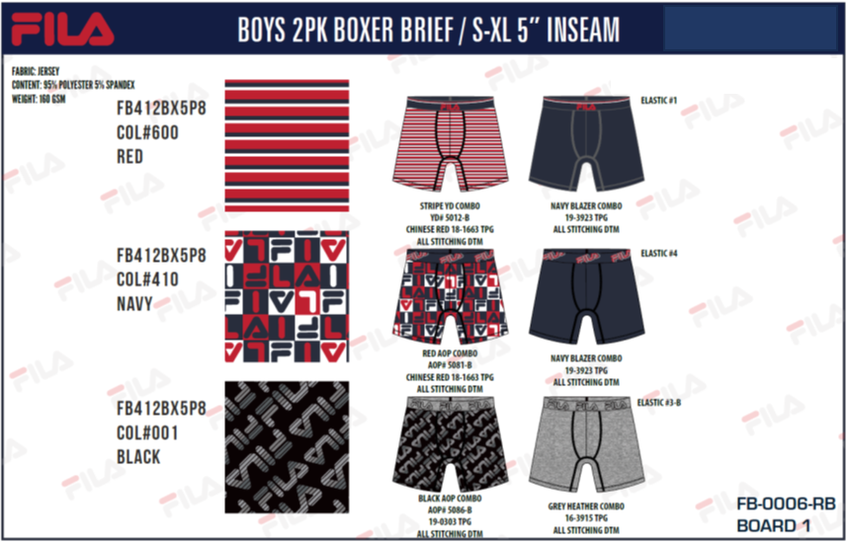
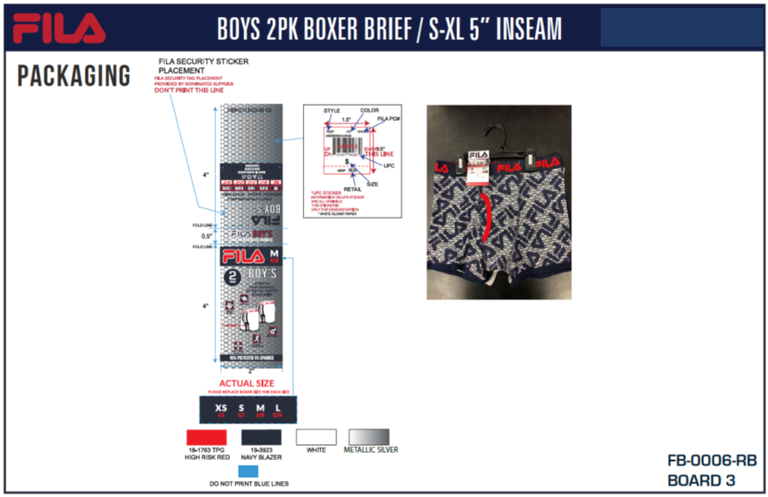
FILA BOYS ATS
UPDATED INVENTORY
DATE: | 2026-03-31

STYLE | DESCRIPTION/FABRIC/CONTENT | COLOR | SIZE | ATS
FB412BX5P8 | FILA BOYS 2PK BOXER BRIEF | 600 RED | XS
 | JERSEY: 95/5 POLYESTER SPANDEX | 600 RED | S
 | HANGER & FLASHER PACKED | 600 RED | M
 |  | 600 RED | L
 | PACKED IN CARTONS OF 24 (SOLID SIZE - SOLID COLOR) | 410 NAVY | XS | 480
 |  | 410 NAVY | S | 436
MSRP | $20.00 US | 410 NAVY | M | 984
 |  | 410 NAVY | L | 480
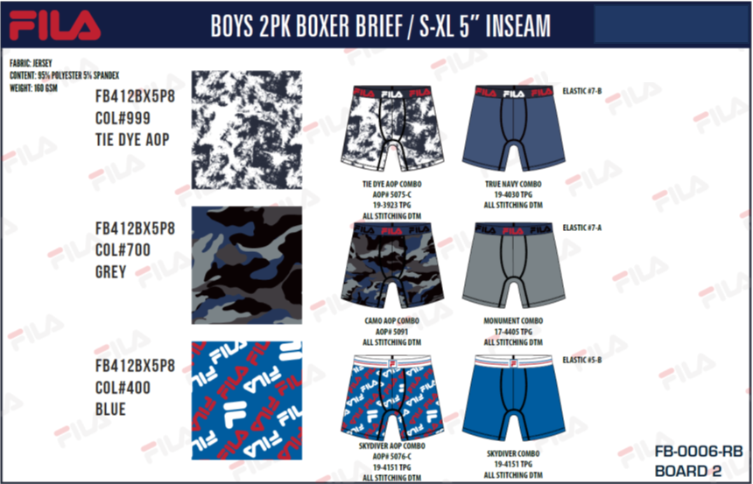
 |  | 001 BLACK | XS | 456
 |  | 001 BLACK | S | 912
 |  | 001 BLACK | M | 912
 |  | 001 BLACK | L | 456
 |  | 999 AOP | XS | 672
 |  | 999 AOP | S | 1344
 |  | 999 AOP | M | 1344
 |  | 999 AOP | L | 672
 |  | 700 GREY | XS | 0
 |  | 700 GREY | S | 0
 |  | 700 GREY | M | 0
 |  | 700 GREY | L | 0
 |  | 400 BLUE | XS | 480
 |  | 400 BLUE | S | 960
 |  | 400 BLUE | M | 960
 |  | 400 BLUE | L | 480
 |  |  |  | 12028

FB7897
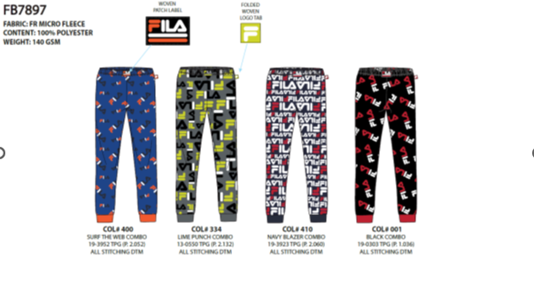
FILA BOYS ATS
UPDATED INVENTORY
DATE: | 2026-03-31

STYLE | DESCRIPTION/FABRIC/CONTENT | COLOR | SIZE | ATS
FB7897 | FILA BOYS SLEEP JOGGER | 400 BLUE | S (6/7) | 1260
 | MICRO FLEECE: 100% POLYESTER | 400 BLUE | M (8) | 1890
 | FLAT PACKED WITH HANG TAG | 400 BLUE | L (10/12) | 630
 |  | 334 LIME | S (6/7) | 1192
 | CARTON PACKING: 12 PIECES PER CARTON | 334 LIME | M (8) | 1788
 | SOLID COLORS - BREAKDOWN S/2 -- M/3 -- L/1 | 334 LIME | L (10/12) | 596
 |  | 410 NAVY | S (6/7) | 1076
MSRP | $20.00 US | 410 NAVY | M (8) | 1614
 |  | 410 NAVY | L (10/12) | 538
 |  | 001 BLACK | S (6/7) | 1320
 |  | 001 BLACK | M (8) | 1980
 |  | 001 BLACK | L (10/12) | 660
 |  |  |  | 14544

